Sheet1
Scenario | Resize | K | C | G | R_Train | R_Test |  | Resize | [128, 160, 192, 224]
1 | 128 | 180 | [1,3,6,10,15] | [0.24574, 0.25086, 0.25598, 0.2611, 0.26622] | 89.31% | 92.51% | 2% | K | [180,, 250, 500, 750, 1000]
2 |  | 250 | [1,3,6,10,15] | [0.20504, 0.20931, 0.21358, 0.21785, 0.22212] | 90.63% | 92.97% | 2%
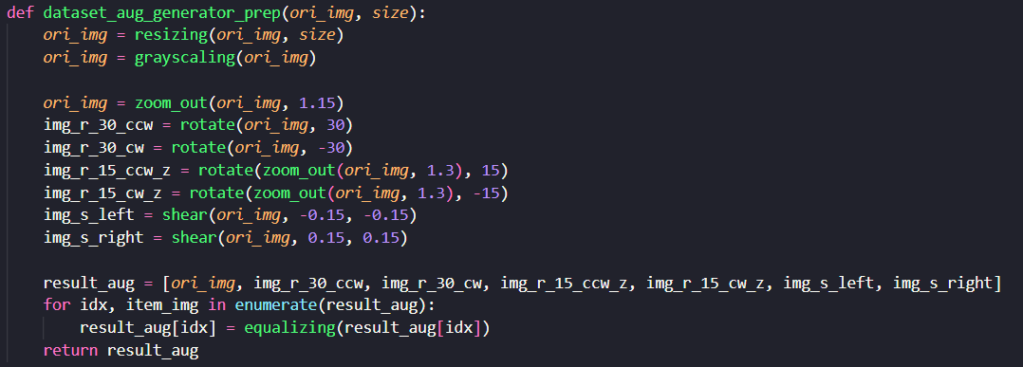
3 |  | 500 | [1,3,6,10,15] | [0.13567, 0.1385, 0.14133, 0.14416, 0.14699] | 91.55% | 95.01% | 2%
4 |  | 750 | [1,3,6,10,15] | [0.10508, 0.10727, 0.10946, 0.11165, 0.11384] | 91.99% | 94.10% | 2%
5 |  | 1000 | [1,3,6,10,15] | [0.09142, 0.09332, 0.09522, 0.09712, 0.09902] | 91.27% | 94.55% | 2%
6 | 160 | 180 | [1,3,6,10,15] | [0.25495, 0.26026, 0.26557, 0.27088, 0.27619] | 89.07% | 91.69% | 2%
7 |  | 250 | [1,3,6,10,15] | [0.20114, 0.20533, 0.20952, 0.21371, 0.2179] | 89.95% | 90.92% | 2%
8 |  | 500 | [1,3,6,10,15] | [0.13022, 0.13293, 0.13564, 0.13835, 0.14106] | 90.63% | 91.83% | 2%
9 |  | 750 | [1,3,6,10,15] | [0.10009, 0.10217, 0.10425, 0.10633, 0.10841] | 90.79% | 93.19% | 2%
10 |  | 1000 | [1,3,6,10,15] | [0.08725, 0.08907, 0.09089, 0.09271, 0.09453] | 90.07% | 92.97% | 2%
11 | 192 | 180 | [1,3,6,10,15] | [0.26274, 0.26821, 0.27368, 0.27915, 0.28462] | 88.47% | 90.92% | 2%
12 |  | 250 | [1,3,6,10,15] | [0.20183, 0.20603, 0.21023, 0.21443, 0.21863] | 90.91% | 91.60% | 2%
13 |  | 500 | [1,3,6,10,15] | [0.12668, 0.12932, 0.13196, 0.1346, 0.13724] | 91.83% | 93.42% | 2%
14 |  | 750 | [1,3,6,10,15] | [0.10234, 0.10447, 0.1066, 0.10873, 0.11086] | 92.11% | 94.55% | 2%
15 |  | 1000 | [1,3,6,10,15] | [0.08475, 0.08652, 0.08829, 0.09006, 0.09183] | 92.67% | 95.23% | 2%
16 | 224 | 180 | [1,3,6,10,15] | [0.23885, 0.24383, 0.24881, 0.25379, 0.25877] | 85.83% | 90.47% | 2% | Kesimpulan
17 |  | 250 | [1,3,6,10,15] | [0.19131, 0.1953, 0.19929, 0.20328, 0.20727] | 87.99% | 90.92% | 2%
18 |  | 500 | [1,3,6,10,15] | [0.11421, 0.11659, 0.11897, 0.12135, 0.12373] | 89.19% | 93.19% | 2% | Resize | R_Train | R_Test | K | R_Train | R_Test
19 |  | 750 | [1,3,6,10,15] | [0.09026, 0.09214, 0.09402, 0.0959, 0.09778] | 90.91% | 92.51% | 2% | 128 | 90.95% | 93.83% | 180 | 88.17% | 91.40%
20 |  | 1000 | [1,3,6,10,15] | [0.07609, 0.07767, 0.07925, 0.08083, 0.08241] | 90.47% | 92.74% | 2% | 160 | 90.10% | 92.12% | 250 | 89.87% | 91.60%
 |  |  |  |  |  |  |  | 192 | 91.20% | 93.14% | 500 | 90.80% | 93.36%
 |  |  |  |  |  |  |  | 224 | 88.88% | 91.97% | 750 | 91.45% | 93.59%
 |  |  |  |  |  |  |  |  |  |  | 1000 | 91.12% | 93.87%

